Cover
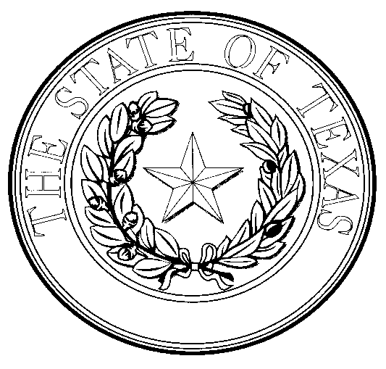

APPLICATION FOR TEXAS MEAT AND POULTRY INSPECTION OR EXEMPTION

Meat Safety Assurance Section in Accordance with the Texas Meat and Poultry Act

RETURN COMPLETED APPLICATION TO: TEXAS DEPARTMENT OF STATE HEALTH SERVICES MEAT SAFETY ASSURANCE SECTION - MAIL CODE 1872 P.O. BOX 149347 AUSTIN, TX 78714-9812 OR Email To: Tracie.Luna@dshs.texas.gov

MSA-54 REV 6-17-2021 | An Equal Opportunity Employer and Provider | Page 1 of 4

